Instructions
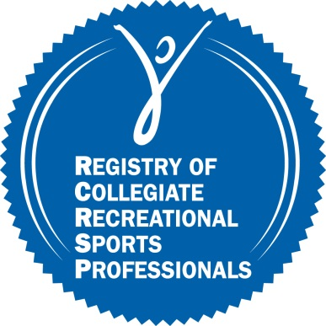 | Registry of Collegiate Recreational Sports Professionals
 |  |  |  | CEU Tracking Form

 | Use this form to track CEUs you have earned, and as a reference when applying to the Registry.
 |  |  | (10 program hours = 1.0 CEU or I contact hour = 0.1 CEU)
 |  |  |  | (0.1 CEU = 0.1 PIC)

Initial Application Criteria

There are three methods of entry into the Registry for initial application (see chart below). The permissible timeframe to obtain required number of CEUs for an initial application is three years. Where CEUs are required, no less than 1/3 of CEUs must be obtained from NIRSA-provided educational opportunities.

Please visit the NIRSA website for more information on what events qualify for CEUs. Direct any questions to cheri.hawkins@nirsa.org.

Summary of Application Options
Category A: Applicants with a master's degree Required experience: Master's degree in a field relevant to the field of collegiate recreational sports and no less than two years of full-time experience working in any recreational sport administration setting—campus, community, commercial, corporate, military, correctional, outdoor OR one year of full-time experience and CRSS.* Applicants with a Master’s degree or Bachelor’s degree will be asked as part of their application to provide a statement addressing how their degree is relevant to the field of collegiate recreational sports. OR: Master's degree in a non- relevant field AND 10 or more years of full-time experience working in any recreational sport administration setting—campus, community, commercial, corporate, military, correctional, outdoor. Category B: Applicants with a bachelor's degree in a relevant field Required experience: Bachelor's degree in a field relevant to the field of collegiate recreational sports and no less than three years of full-time experience working in any recreational sport administration setting—campus, community, commercial, corporate, military, correctional, outdoor OR two years of full-time experience and CRSS.* Applicants with a Bachelor’s degree will be asked as part of their application to provide a statement addressing how their degree is relevant to the field of collegiate recreational sports

NIRSA Events and Available CEUs - link coming soon

Core Competencies/Descriptions

On the CEU tracking form, list the number associated with each Core Competency that was covered in each educational session you attended.

 |  | 1 | Philosophy & Theory |  | 5 | Facility Management, Planning & Design
 |  | 2 | Programming |  | 6 | Research & Evaluation
 |  | 3 | Human Resources Management |  | 7 | Legal Liability & Risk Management
 |  | 4 | Business Management |  | 8 | Personal & Professional Qualities

Renewal Application Criteria: PICs
Professional involvement is an important additional way for professionals to learn and stay current through networking with colleagues on committees, serving as association officers, giving presentations or teaching courses, conducting research and contributing to scholarly journals and magazines. PICs are not counted towards initial applications but will be part of the criteria for Registry renewals. PIC Categories and credits are listed on the fourth tab.

CEUs
Registry of Collegiate Recreational Sports Professionals |  |  |  | 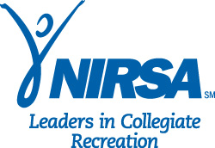
CEU Worksheet
 |  | (10 program hours = 1.0 CEU or I contact hour = 0.1 CEU)
Date | Name of Event | Name of Educational Session | CEUs Earned | CEU Type (NIRSA, IACET, ACE, AFAA, ACSM, etc) | NIRSA Event (Y/N) | Core Competencies Covered (List numbers - see instructions)

 |  | Total NIRSA CEUs Only (must be at least 1.5)
 |  | Total CEUs (must be at least 4.5)

